apply-stats-2
Values | Outlier | Q1 | Q3 | IQR | High (q3+(1*1qr) | Low
166 | FALSE | 86 | 439 | 353 | 792 | -267
439 | FALSE | 86 | 439 | 353 | 792 | -267
220 | FALSE
21 | FALSE
-400 | TRUE
42 | FALSE
576 | FALSE |  |  | Conculsion is-400,1000 and 1200 is outlier in my data
283 | FALSE
365 | FALSE
525 | FALSE
81 | FALSE
1 | FALSE
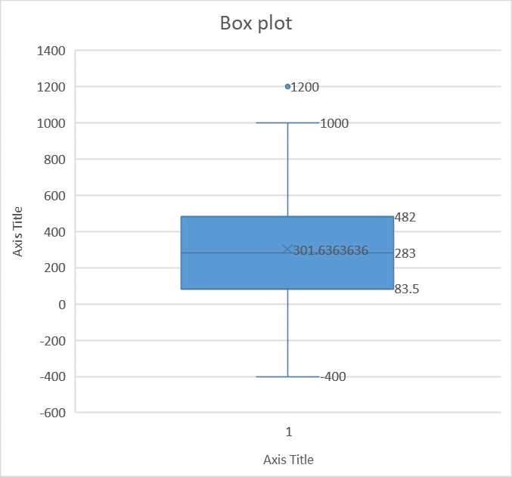
103 | FALSE
86 | FALSE
545 | FALSE
180 | FALSE
76 | FALSE
290 | FALSE
20 | FALSE
258 | FALSE
525 | FALSE
329 | FALSE
179 | FALSE
599 | FALSE
1200 | TRUE
382 | FALSE
366 | FALSE
72 | FALSE
1000 | TRUE
138 | FALSE
416 | FALSE
530 | FALSE
341 | FALSE

